Linear regression
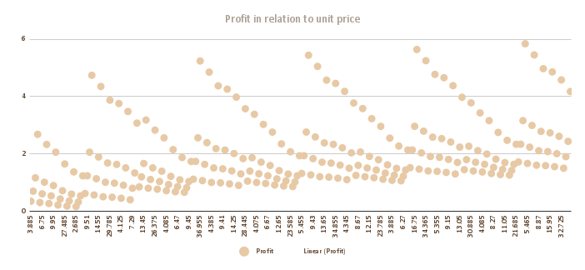
Profit in relation to unit price
 | Profit

SUMMARY OUTPUT

Regression Statistics
Multiple R | 0.9031699685
R Square | 0.81571599201
Adjusted R Square | 0.81494168945
Standard Error | 0.5214518018
Observations | 240

ANOVA
 | df | SS | MS | F | Significance F
Regression | 1 | 286.45514662 | 286.45514662 | 1053.484826 | 2.2389700905E-89
Residual | 238 | 64.71505162 | 0.2719119816
Total | 239 | 351.17019824

 | Coefficients | Standard Error | t Stat | P-value | Lower 95% | Upper 95% | Lower 95.0% | Upper 95.0%
Intercept | 0.43996762809 | 0.057578331379 | 7.6412014304 | 5.2496069725E-13 | 0.32653937877 | 0.55339587741 | 0.32653937877 | 0.55339587741
X Variable 1 | 0.11082019346 | 0.0034143242426 | 32.457430983 | 2.2389700905E-89 | 0.10409403776 | 0.11754634915 | 0.10409403776 | 0.11754634915

pivot tables
sum of sales for each Customer |  |  | total sales
Top ten Customers Name | Sum of Sales |  | Sum of Sales |  | Coffee Type
Alexa Sizey | $219 |  | Years (Order Date) | Months (Order Date) | Ara | Exc | Lib | Rob | Grand Total | Months (Order Date) | Grand Total
Elysee Sketch | $205 |  | 2019 | Jan | 187 | 306 | 213 | 123 | 829 | Jan | 829
Teddi Crowthe | $205 |  |  | Feb | 252 | 129 | 434 | 172 | 987 | Feb | 987
Lacee Tanti | $205 |  |  | Mar | 225 | 349 | 321 | 126 | 1,021 | Mar | 1,021
Claudetta Rushe | $190 |  |  | Apr | 307 | 681 | 534 | 159 | 1,681 | Apr | 1,681
Nanny Lush | $205 |  |  | May | 54 | 83 | 194 | 68 | 399 | May | 399
Shelli Keynd | $205 |  |  | Jun | 163 | 678 | 171 | 372 | 1,385 | Jun | 1,385
Lemuel Rignold | $201 |  |  | Jul | 345 | 274 | 184 | 201 | 1,004 | Jul | 1,004
Hatty Dovydenas | $190 |  |  | Aug | 335 | 71 | 134 | 166 | 706 | Aug | 706
Daniel Heinonen | $205 |  |  | Sep | 179 | 166 | 439 | 493 | 1,277 | Sep | 1,277
 |  |  |  | Oct | 302 | 154 | 216 | 214 | 885 | Oct | 885
Sum of sales for each country |  |  |  | Nov | 313 | 63 | 351 | 96 | 823 | Nov | 823
Country | Sum of Sales |  |  | Dec | 266 | 527 | 187 | 211 | 1,190 | Dec | 1,190
United States | 35638.885 |  | 2020 | Jan | 47 | 66 | 275 | 179 | 567 | Jan | 567
Ireland | 6696.865 |  |  | Feb | 745 | 429 | 194 | 430 | 1,798 | Feb | 1,798
United Kingdom | 2798.505 |  |  | Mar | 130 | 271 | 281 | 232 | 915 | Mar | 915
Grand Total | $45,134 |  |  | Apr | 27 | 347 | 148 | 240 | 762 | Apr | 762
 |  |  |  | May | 255 | 542 | 83 | 59 | 939 | May | 939
count of loyalty card in each country |  | percentage of loyalty card in each country |  | Jun | 585 | 357 | 355 | 141 | 1,438 | Jun | 1,438
 | Loyalty Card No | Loyalty Card Yes
 |  |  |  | Jul | 431 | 227 | 236 | 415 | 1,309 | Jul | 1,309
 |  |  |  | Aug | 23 | 78 | 61 | 140 | 300 | Aug | 300
 |  |  |  | Sep | 126 | 195 | 89 | 303 | 713 | Sep | 713
 |  |  |  | Oct | 376 | 523 | 441 | 174 | 1,515 | Oct | 1,515
 |  |  |  | Nov | 515 | 143 | 347 | 104 | 1,109 | Nov | 1,109
 |  |  |  | Dec | 96 | 485 | 94 | 77 | 752 | Dec | 752
 |  |  | 2021 | Jan | 258 | 140 | 280 | 160 | 838 | Jan | 838
 |  |  |  | Feb | 342 | 284 | 252 | 81 | 959 | Feb | 959
 |  |  |  | Mar | 418 | 468 | 405 | 253 | 1,545 | Mar | 1,545
 |  |  |  | Apr | 102 | 242 | 555 | 106 | 1,006 | Apr | 1,006
 |  |  |  | May | 235 | 133 | 267 | 273 | 908 | May | 908
 |  |  |  | Jun | 430 | 136 | 210 | 88 | 865 | Jun | 865
 |  |  |  | Jul | 109 | 394 | 61 | 199 | 763 | Jul | 763
 |  |  |  | Aug | 288 | 289 | 126 | 374 | 1,076 | Aug | 1,076
number of order in each country |  | percentage of order in each country |  | Sep | 841 | 410 | 171 | 221 | 1,644 | Sep | 1,644
number of order in each country
 |  |  |  | Oct | 299 | 260 | 585 | 256 | 1,400 | Oct | 1,400
 |  |  |  | Nov | 323 | 566 | 538 | 189 | 1,616 | Nov | 1,616
 |  |  |  | Dec | 399 | 148 | 388 | 212 | 1,148 | Dec | 1,148
 |  |  | 2022 |  | 1,440 | 1,692 | 2,235 | 1,697 | 7,063 |  | 7,063
 |  |  | Grand Total |  | 11,768 | 12,306 | 12,054 | 9,005 | 45,134 |  | 45,134

Grand Total مقابل Months (Order Date)

sales for each coffee type |  | # sales for each coffee type
 | Sum of Sales2 | SUM of Sales

profit from each coffee type |  | # profit from each coffee type
 | % Profit | Sum of Profit2

dashboard
Sales Dashboard

using loyalty card
 | Loyalty Card No | Loyalty Card Yes
number of order in each country
Grand Total Vs Months

Sales for each coffee type
 | Sum of Sales2
Profit for each coffee type
 | % Profit

Queens Cafe


